Copy of Calculator
Original by ~Tikkity Fixed by Kafka. Web version: https://pss-training-tool.web.app/ |  |  |  |  |  |  |  |  |  | HP first breakpoint
 |  |  |  |  |  |  |  |  |  |  | Base | TP
 |  |  |  |  |  |  |  |  |  |  | 3 | 17
 | Total Training Points |  | Current Training |  | Possible Improvement |  | % Required | Regular Protein Shake |  |  | 4 | 13
 | 110 |  | HP |  | 0~4 | HP | 1 | 4 | HP |  | 5 | 10
 |  |  | ATK |  | 0~2 | ATK | 1 | 2 | ATK |  | 6 | 9
 | Target Stat |  | RPR |  |  | RPR | 1 | 0 | RPR |  | 7 | 8
 | HP |  | ABL |  |  | ABL | 1 | 0 | ABL |  | 8 | 7
 |  |  | STA |  | 0~1 | STA | 1 | 1 | STA |  | 9 | 6
 | Training Quality |  | PLT |  |  | PLT | 1 | 0 | PLT |  | 10 | 5
 | Elite |  | SCI |  |  | SCI | 1 | 0 | SCI |  | 11 | 5
 |  |  | ENG |  | 0~2 | ENG | 1 | 2 | ENG |  | 12 | 5
 | Fatigue |  | WPN |  |  | WPN | 1 | 0 | WPN |  | 13 | 4
 | 0 |  | TP Used | 0 |  |  |  |  |  |  | 14 | 4
 |  |  |  |  |  |  |  |  |  |  | 15 | 4

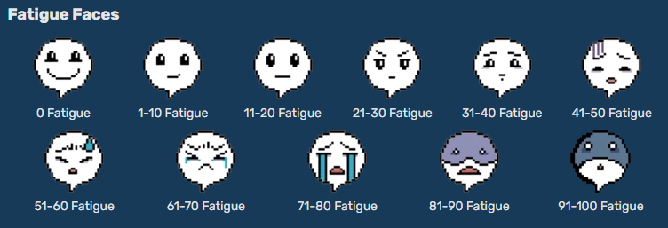

 | Rush 100
 | Base ABI | 55
 | Gear ABI | 12.6
 | Needed Train | 62

